Casing Tech Brosure
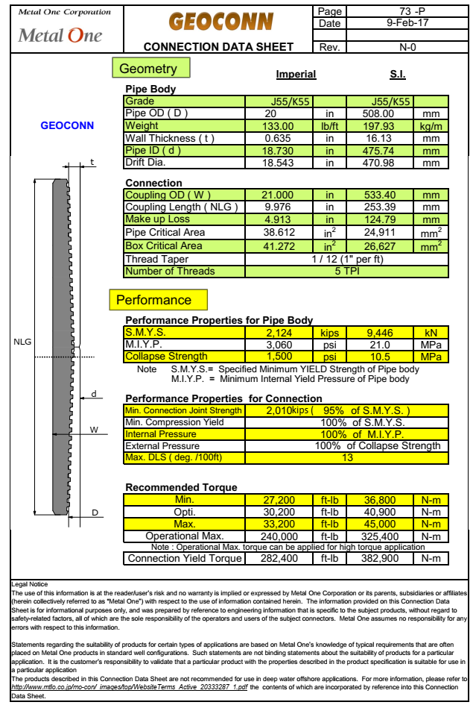
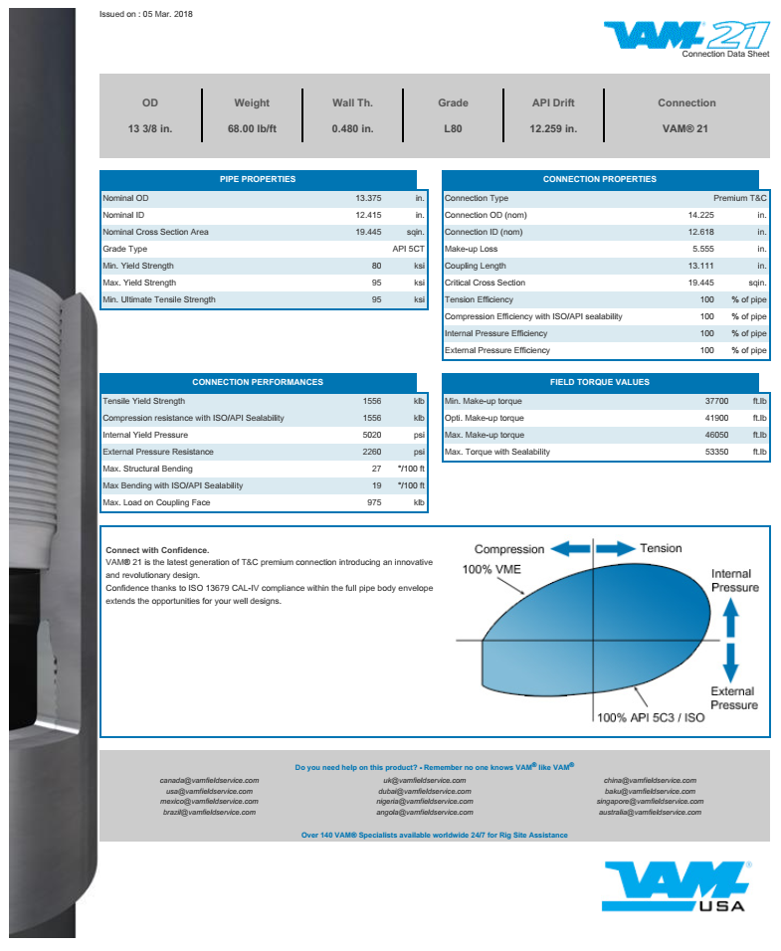
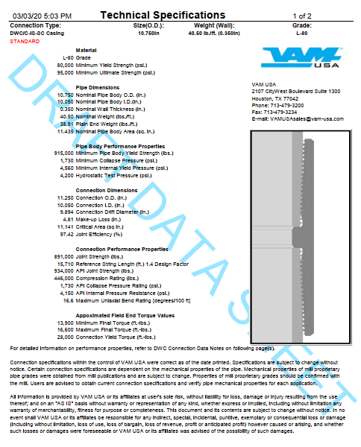
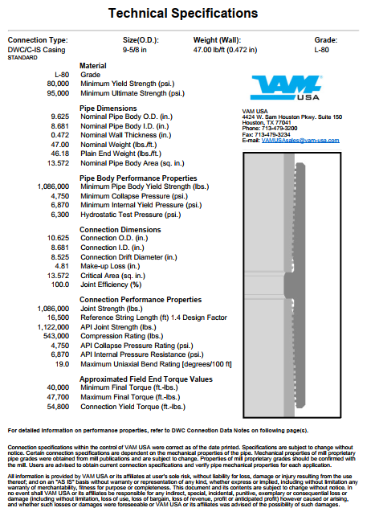
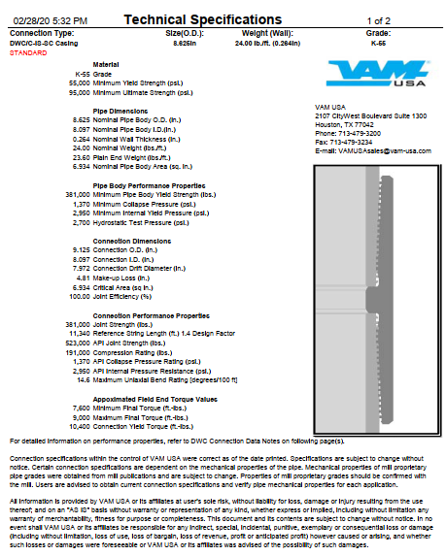
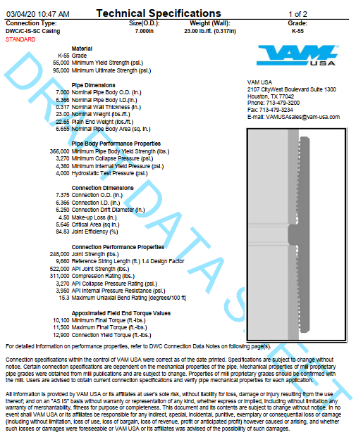

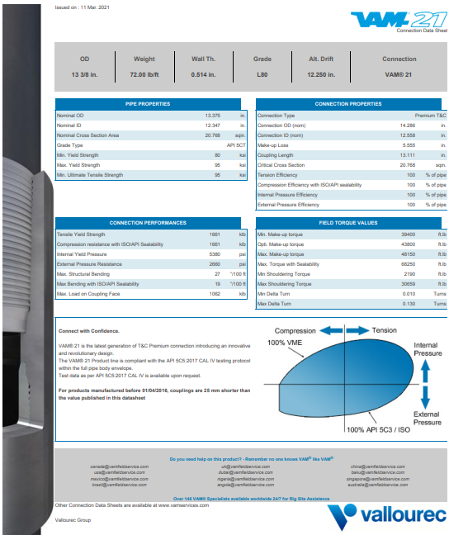

Liner Adapter
13-3/8" Tie Back stem inside 3.5 METERS 16" Bore Receptacle |  |  |  |  |  |  |  | 13-3/8" Tie Back stem inside 5.0 METERS 16" Bore Receptacle

 |  |  | To be adjusted Refer to casing tally |  |  |  |  |  |  |  |  | To be adjusted Refer to casing tally

 |  | 4 hole, 1" ID |  |  |  | 4 hole, 1" ID |  |  |  |  | 3 holes, 1" ID |  |  |  | 3 holes, 1" ID

 | 0.30 m |  |  |  |  |  |  |  |  | 0.50 m
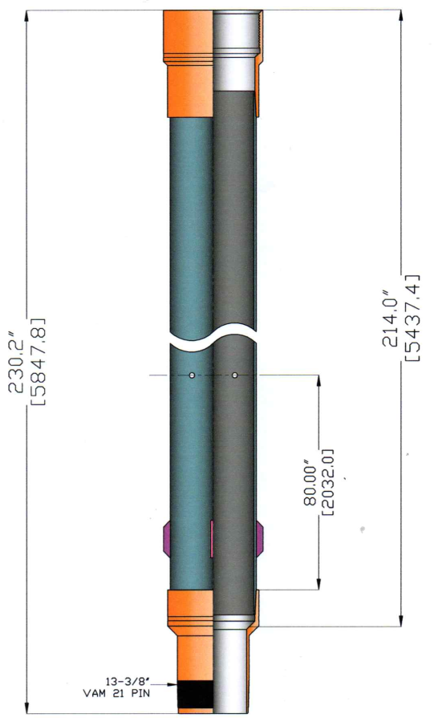
 |  |  |  |  | 0.83 m |  |  |  |  |  |  |  |  | 1.14 m
 |  |  |  | To be adjusted Refer to casing tally |  |  |  |  |  |  |  |  | To be adjusted Refer to casing tally

 |  |  |  |  |  |  | Centralizer |  |  |  |  |  |  |  |  | Centralizer
 |  |  | 3.33 m |  |  |  | Pad = 14.75" OD |  |  |  |  | 5.14 m |  |  |  | Pad = 14.75" OD

 |  |  |  |  | 1.00 m
 | 3.53 m
 |  |  |  |  |  |  | Centralizer
 |  |  |  |  |  |  | Pad = 14.75" OD |  |  |  |  |  |  | 2.50 m
3.71 m
 |  |  |  |  | 1.50 m

 |  |  |  |  |  |  |  |  |  | 5.14 m
 |  |  | 0.50 m |  |  | Tappered End & beveled at outside |  |  |  |  |  |  |  |  |  | Centralizer
 |  |  |  |  |  |  |  |  |  |  |  |  |  |  |  | Pad = 14.75" OD
 |  |  |  |  |  |  |  |  | 5.55 m
 | 0.18 m |  |  |  |  |  |  |  |  |  |  |  |  | 1.50 m

 |  |  |  |  |  |  |  |  |  |  |  | 0.50 m |  |  | Tappered End & beveled at outside

 |  |  |  |  |  |  |  |  |  | 0.27 m

 |  |  |  |  |  |  |  |  |  | 0.14 m

Casing Depth
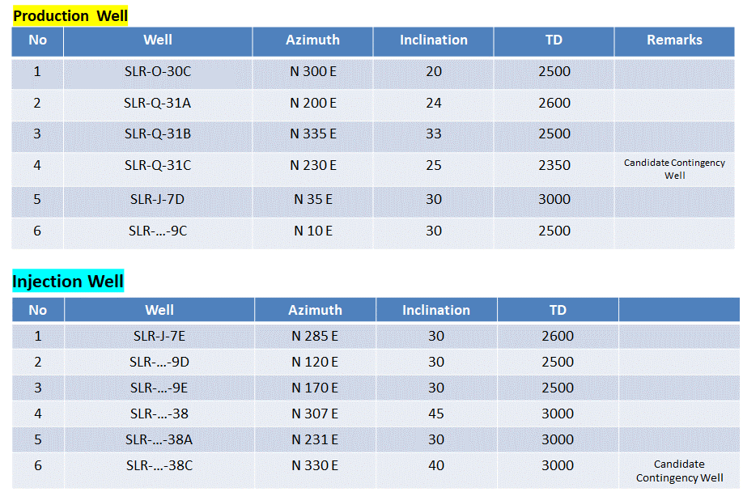
DRILLING MATERIAL FORECAST 2020 - 2021 DRILLING CAMPAIGN - AS PER 7 June 2020
DIENG |  |  | 1 | 2 | 3 | 4 | 5 | 6 | 7 | 8 | 9 | 10 | C
No | Description | Unit | SLR-31A | SLR-31B | SLR-30B | SLR-7D | SLR-7E | SLR-9C | SLR-9D | SLR-9E | SLR-38 | SLR-38A | SLR-38B
1 | 30" Casing | m-MD | 40 | 40 | 40 | 40 | 40 | 40 | 40 | 40 | 40 | 40 | 40
2 | 20" Casing | m-MD | 400 | 400 | 400 | 470 | 470 | 450 | 450 | 450 | 450 | 450 | 450
3 | 13-3/8" Casing | m-MD | 1530 | 1520 | 1500 | 1560 | 1550 | 1530 | 1550 | 1580 | 1830 | 1750 | 1680
4 | 10-3/4" Casing Perforated | m-MD | 2830 | 2770 | 2670 | 2575 | 2530 | 2590 | 2640 | 2705 | 3000 | 2850 | 2670

5 | Well Pad Name
6 | Well Pad Elevation | MASL
7 | Kick Off Point | m-MD
8 | Build-Up Rate | ˚/30m
9 | End Of Build | m-MD
10 | Maximum Inclination | Deg
11 | Azimuth | Deg

PATUHA |  |  | 1 | 2 | 3 | 4 | 5 | 6 | 7 | 8 | 9 | 10 | 11 | 12 | C | C
No | Description | Unit | PTH-7D | PTH-7A | PTH-4F | PTH-4G | PTH-4E | PTH-9E | PTH-9F | PTH-9D | PTH-9C | PTH-6F | PTH-6A | PTH-6B | PTH-2B | PTH-2C | Remark
1 | 30" Casing | m-MD | 40 | 40 | 40 | 40 | 40 | 40 | 40 | 40 | 40 | 40 | 40 | 40 | 40 | 40
2 | 20" Casing | m-MD | 400 | 400 | 400 | 400 | 400 | 400 | 400 | 400 | 400 | 400 | 400 | 400 | 400 | 400
3 | 13-3/8" Casing | m-MD | 900 | 900 | 900 | 930 | 870 | 930 | 930 | 900 | 900 | 840 | 840 | 830 | 870 | 870
4 | 10-3/4" Casing Perforated | m-MD | 2000 | 1800 | 1900 | 1800 | 2000 | 1900 | 2100 | 1850 | 2000 | 1900 | 1800 | 2000 | 1850 | 1800

5 | Well Pad Name |  | V | V | G | G | G | BB | BB | BB | BB | U | U | U | H | H
6 | Well Pad Elevation | MASL | 1966 | 1966 | 1968 | 1968 | 1968 | 1984 | 1984 | 1984 | 1984 | 1992 | 1956 | 1992 | 2008 | 2008
7 | Kick Off Point | m-MD | 300 | 300 | 300 | 300 | 450 | 300 | 300 | 300 | 300 | 510 | 300 | 300
8 | Build-Up Rate | ˚/30m | 2 | 2 | 2 | 2.5 | 2 | 2.5 | 2.5 | 2.5 | 2 | 2 | 2 | 2
9 | End Of Build | m-MD | 900 | 900 | 900 | 840 | 750 | 840 | 840 | 810 | 750 | 810 | 840 | 390
10 | Maximum Inclination | Deg | 40 | 40 | 40 | 45 | 20 | 45 | 45 | 35 | 30 | 20 | 35 | 6 | 25 | 42
11 | Azimuth | Deg | 260 | 358 | 220 | 250 | 165 | 215 | 245 | 168 | 135 | 268 | 5 | 45 | 357 | 115

